Relative ROI Prioritization
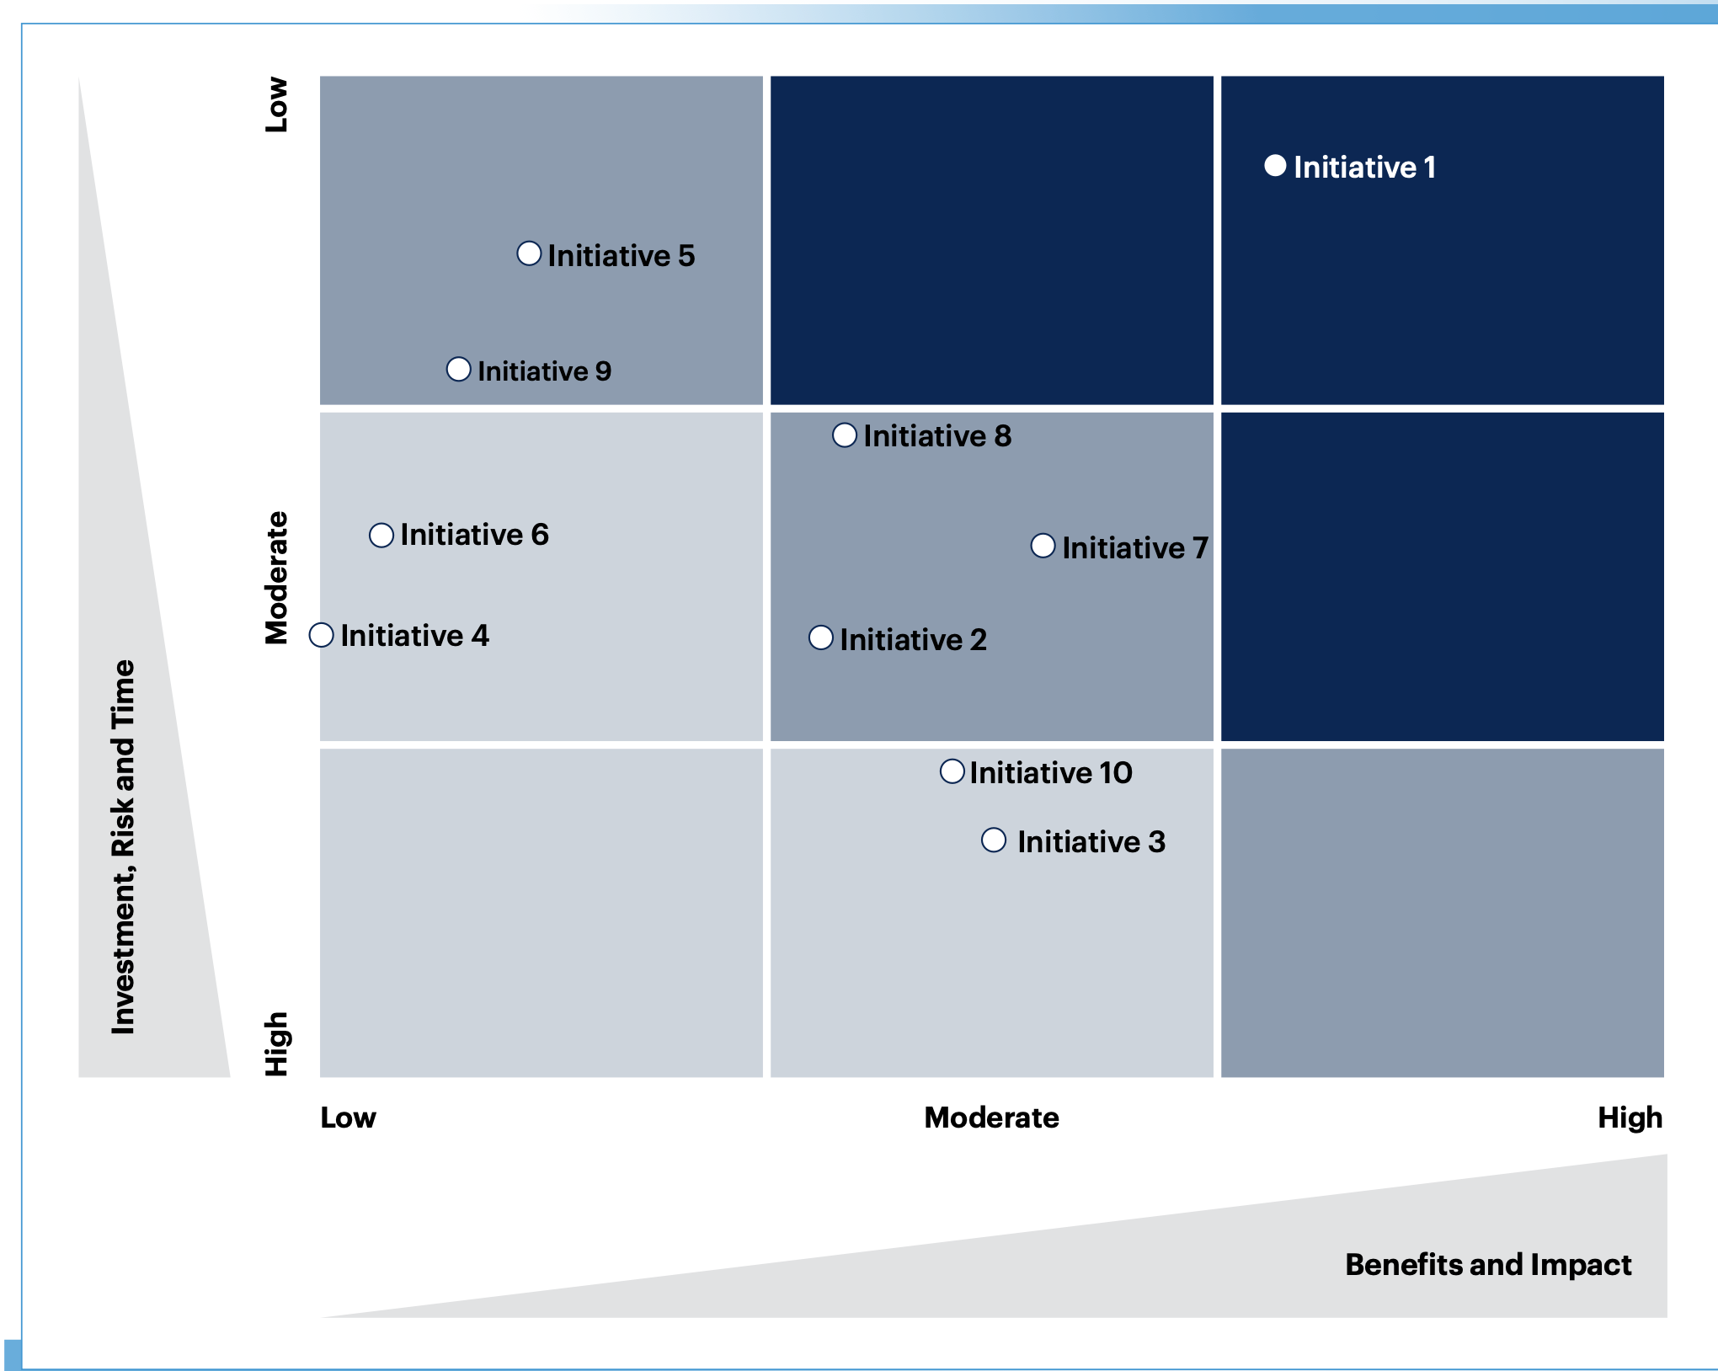
RICE Method | https://www.productplan.com/glossary/rice-scoring-model/
Reach | # of Customers and Prospects the solution will resonate with | #
Impact | Shows differentiation, demonstrates agentic implementation | 3 = massive impact, 2 = high impact, 1 = medium impact, .5 = low , impact, .25 = minimal impact
Confidence | Requirements are understood; data sources are well defined; the solution can be addressed in a repeatable and pattern-conducive manner | 100% = high confidence; 80% = medium confidence; 50% = low confidence; <50% = moonshot
Effort | Total person months needed to complete the project from discovery to enablement: stakeholder, architect, engineer, product / program manager, marketing | Person months (weeks?)
RICE = (Reach * Impact * Confidence) / Effort
Executive Sponsor | Gating criteria - yes / no (is this still necessary?) | 0 / 1

